0113_동양인 데이터셋
Asian Age Gender Classification
 |  |  | (n=10,924)
 |  | Ages | Sex | Num
dataset
 | train | 20 | Male | 1800
 |  |  | FeMale | 1800
 |  | 30 | Male | 1800
 |  |  | FeMale | 1800
 |  | 40 | Male | 1603
 |  |  | FeMale | 572

 | valid | 20 | Male | 200
 |  |  | FeMale | 200
 |  | 30 | Male | 200
dataset |  |  | FeMale | 200
 |  | 40 | Male | 179
 |  |  | FeMale | 64

 | test | 20 | Male | 100
 |  |  | FeMale | 100
 |  | 30 | Male | 100
 |  |  | FeMale | 100
 |  | 40 | Male | 50
 |  |  | FeMale | 56

0113_FACE_모델결과
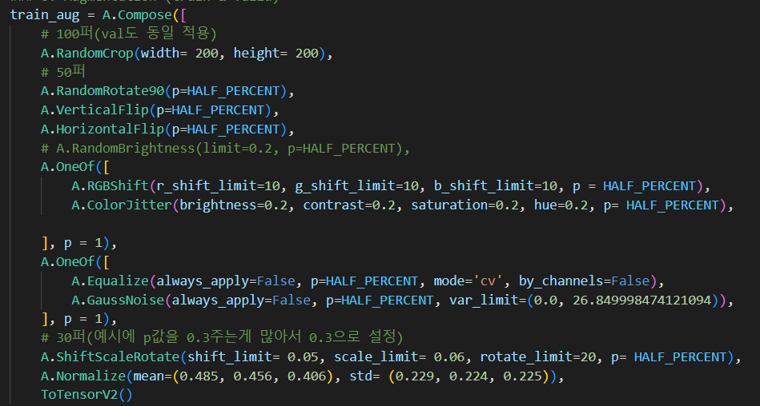
Who? | status | model name | optimizer | lr | batch | epochs | train loss | train acc | val acc | test acc | pt 파일 크기 | result file name | 특이사항
이승윤 | done | vgg16 | AdamW | 0.0001 | 128 | 10 | 0.896 | 0.75 | 0.725 | error | error | NAN | overwrite issue
 |  | vgg16 | AdamW | 0.001 | 64 | 100 | 0.934 | 0.732 | 0.676 | 66.20% | 512MB | best_1.pt, vgg16_1.csv | OpenCV error(한글 문자 포함)(해결)
 |  | vgg16 | AdamW | 0.0001 | 64 | 100 | 0.521 | 0.956 | 0.711 | 68.37% |  | best_2.pt, vgg16_2.csv
여익수 |  | ResNet50 | AdamW | 0.001 | 128 | 20 | 0.885 | 0.752 | 0.703 | 70.55% | 92MB | resnet_1.pt , resnet_1.csv
 |  | ResNet50 | AdamW | 0.0001 | 64 | 20 | 0.816 | 0.793 | 0.735 | 69.17 |  | 2
 |  | ResNet50 | AdamW | 0.0001 | 32 | 50 | 0.654 | 0.884 | 0.701 | 69.17 |  | 5 | Aug
 |  | ResNet50 | AdamW | 0.005 | 128 | 20 | 1.372 | 0.479 | 0.493 | 44.66 |  | 6 | scheduler 적용 (LambdaLR)
손병구 |  | ConvNeXT_large | AdamW | 0.0001 | 16 | 10 | 0.627 | 0.9 | 0.75 | 71% | 748MB | convnext_large_1.pt, convnext_large_1.csv
 |  | ConvNeXT_large | AdamW | 0.0001 | 16 | 20 | 0.516 | 0.956 | 0.758 | 72.72% |  | convnext_large_2.pt convnext_large_2.csv | randomcrop -> centercrop으로 변경
 |  | ConvNeXT_large | NAdam | 0.0001 | 16 | 10 | 0.593 | 0.916 | 0.749 | 72.72% |  | convnext_large_3.pt, convnext_large_3.csv | randomcrop -> centercrop으로 변경
 |  | ConvNeXT_large | NAdam | 0.0001 | 16 | 20 | 0.59 | 0.916 | 0.749 | 70.35% |  | convnext_large_4.pt, convnext_large_4.csv | centercrop -> randomcrop 으로 변경 , (ElasticTransform, Cutout) 추가
 |  | ConvNeXT_large | AdamW | 0.001 | 16 | 25 | 1.752 | 0.189 | 0.192 | 19.76% |  | convnext_large_5.pt, convnext_large_5.csv
최유연 |  | Swin-T | AdamW | 0.0001 | 128 | 20 | 0.703 | 0.86 | 0.736 | 70.75% | 107MB | best_1.pt, swin_t_1.csv
 |  | Swin-T | AdamW | 0.0001 | 64 | 20 | 0.681 | 0.87 | 0.744 | 66.80% |  | best_2.pt, swin_t_2.csv
 |  | Swin-T | AdamW | 0.001 | 128 | 20 | 1.753 | 0.195 | 0.192 |  |  | -
 |  | Swin-T | AdamW | 0.0001 | 128 | 50 | 0.512 | 0.962 | 0.733 | 75.30% |  | best_3.pt, swin_t_3.csv
 |  | Swin-T | AdamW | 0.0001 | 128 | 100 | 0.474 | 0.979 | 0.731 | 72.13% |  | best_4.pt, swin_t_4.csv
 |  | EfficientNet-B3 | AdamW | 0.0001 | 64 | 20 | 0.618 | 0.909 | 0.737 | 66.40% |  | efficientnet_b3_best_2.pt, efficientnet_b3_2.csv
 |  | EfficientNet-B3 | AdamW | 0.001 | 64 | 20 | 0.694 | 0.866 | 0.755 | 64.82% |  | efficientnet_b3_best_3.pt, efficientnet_b3_3.csv
 |  | EfficientNet-B3 | AdamW | 0.0001 | 32 | 20 | 0.686 | 0.867 | 0.736 | 70.75% | 42MB | efficientnet_b3_best_4.pt, efficientnet_b3_4.csv
권태윤 |  | ResNet50 | AdamW | 0.001 | 64 | 5 | - | 0.631 | 0.592 |  | - | best_test.pt, resnet50_test.csv | 간단한 테스트용, epoch=5, batch_size=64
 |  | ResNet50 | AdamW | 0.001 | 64 | 20 | - | 0.954 | 0.711 | 43.87% | 90MB | best_1.pt, resnet50_1.csv | epoch=20, batch_size=64
 |  | ResNet50 | AdamW | 0.001 | 64 | 10 | 1.03 | 0.668 | 0.422 | 51.98% |  | best_2.pt, resnet50_2.csv | Randon->Center, epoch=10, batch_size=64
 |  | VGG19 | AdamW | 0.001 | 64 | 10 | 2.075 | 0.51 | 0.551 | 47.04% | 548MB | best_3.pt, vgg19_3.csv
 |  | Alexnet | AdamW | 0.001 | 64 | 10 | 2.588 | 0.185 | 0.192 | 9.88% | 233MB | best_4.pt, alex_4.csv | models.__dict__["alexnet"]
 |  | Alexnet | AdamW | 0.001 | 64 | 10 | 2.128 | 0.478 | 0.57 | error |  | best_5.pt, alex_5.csv | models.alexnet(pretrained=True)
 |  | Mobilenet_V2 | AdamW | 0.001 | 64 | 10 | 1.655 | 0.702 | 0.681 | 67.98% | 13.6MB | best_6.pt, mobile_V2_6.csv
 |  | Mobilenet_V3_large | AdamW | 0.001 | 64 | 10 | 1.625 | 0.72 | 0.64 | 63.04% | 21.1MB | best_7.pt, mobile_V3_7.csv
 |  | Mobilenet_V3_large | AdamW | 0.001 | 64 | 20 | 1.517 | 0.766 | 0.655 | 67.00% |  | best_8.pt, mobile_V3_8.csv

